Payments
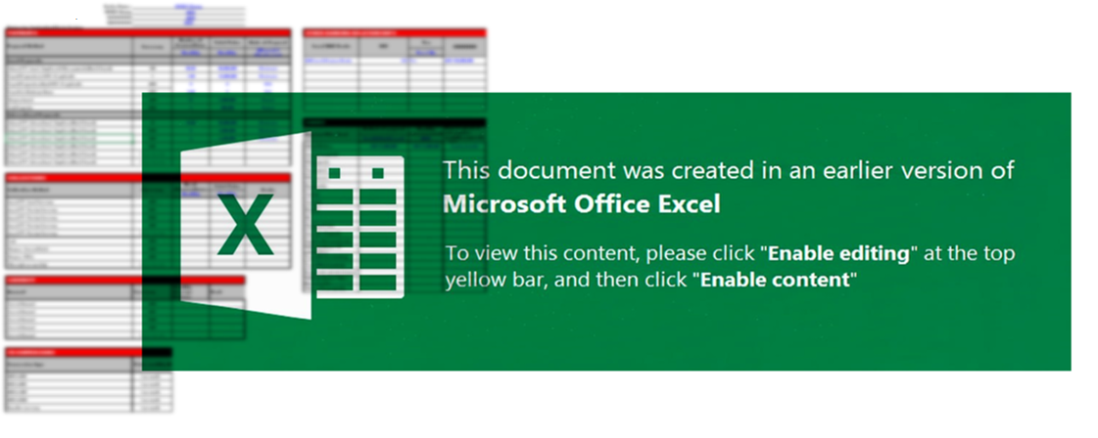
 |  | Entity Name : | CyberSec Solutions LLC
 |  | 50000000 | AED
 |  | 1200000000 | AED
 |  | 1400000000 | AED
Engineering, Construction & Cybersecurity Services
PAYMENTS
Payment Method | Currency | Number of transactions | Total Value | Mode of Payment
 |  | Monthly | Monthly | (Manual / Electronic)
Local Payments
Outward TT - Local - Suppliers & Other payments (Non LC based) | 120 | 80.00 | 80,000,000 | Electronic
Payroll Payments via WPS - If applicable | 1 | 1.00 | 15,000,000 | Electronic
Payroll Payments without WPS - If applicable | AED | 0 | 0 | N/A
Payroll via Exchange House | AED | 0.00 | 0 | N/A
Local Payments - UAE HQ Office Rent & Facilities | AED | 2 | 350,000 | Electronic
Local Payments - KSA Branch Setup & Gov Fees | SAR | 5 | 850,000 | Electronic
Local Payments - IT Hardware & Secure Workstations | AED | 15 | 300,000 | Electronic
Local Payments - Marketing, Branding & PR | AED | 5 | 150,000 | Electronic
Petty Cash & Miscellaneous Office Expenses | AED | 8 | 50,000 | Manual
International Payments & Operational Expenses
Outward TT - Foreign - Cloud Infrastructure (AWS/Azure) | USD | 12 | 120,000 | Electronic
Outward TT - Foreign - Threat Intelligence Feeds | USD | 2 | 85,000 | Electronic
Outward TT - Foreign - Pentesting & Assessment Tools | USD | 5 | 200,000 | Electronic
Outward TT - Foreign - SaaS Licenses (M365, Workspace) | USD | 1 | 45,000 | Electronic
Outward TT - Foreign - External Auditors | USD | 1 | 30,000 | Electronic
Training, Certifications & Travel
Employee Training - OSCP & Advanced Certifications | USD | 10 | 15,000 | Electronic
Employee Travel - Flights & Accommodation (KSA/UAE) | AED | 25 | 220,000 | Electronic
Conference Sponsorships & Event Participation | SAR | 1 | 100,000 | Electronic
Legal & Financial Services
Legal Counsel - Regional Compliance & Contracts | AED | 3 | 75,000 | Electronic
Corporate Insurance & Cyber Liability Coverage | AED | 1 | 400,000 | Electronic

